Demand Data
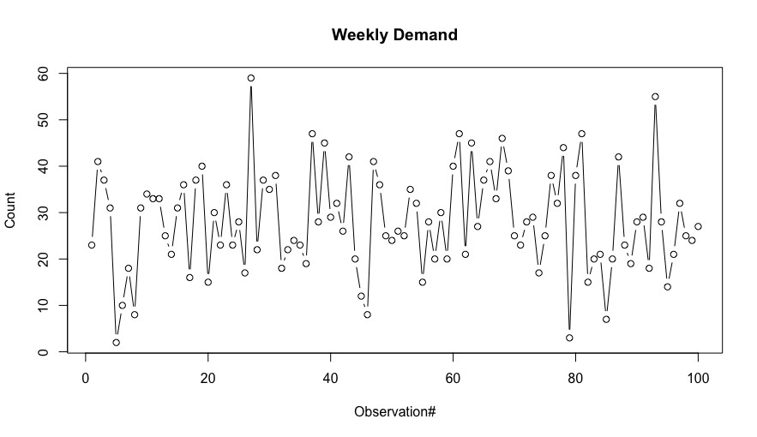
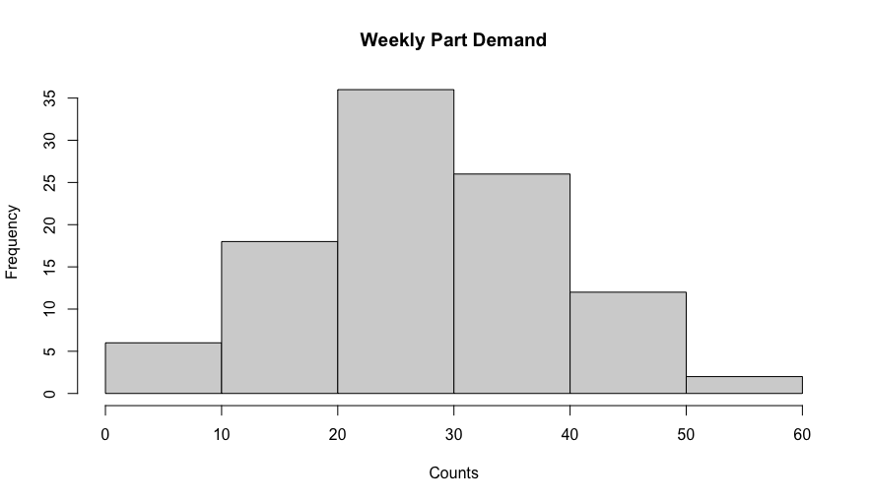
Week | demand | average = | 28.15000 | std dev = | 10.957562768
1 | 23
2 | 41
3 | 37
4 | 31
5 | 2
6 | 10
7 | 18
8 | 8
9 | 31
10 | 34
11 | 33
12 | 33
13 | 25
14 | 21
15 | 31
16 | 36
17 | 16
18 | 37
19 | 40
20 | 15
21 | 30
22 | 23
23 | 36
24 | 23
25 | 28
26 | 17
27 | 59
28 | 22
29 | 37
30 | 35
31 | 38
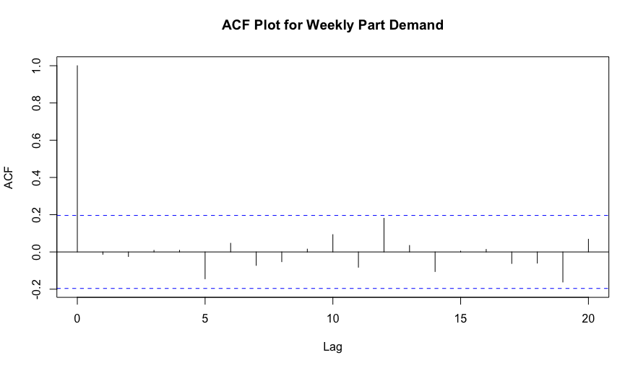
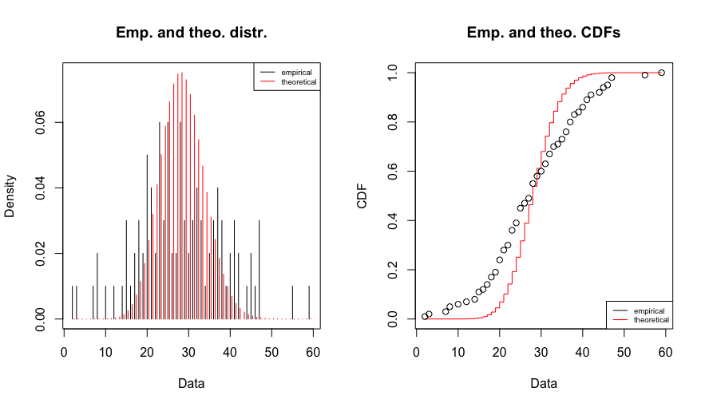
32 | 18
33 | 22
34 | 24
35 | 23
36 | 19
37 | 47
38 | 28
39 | 45
40 | 29
41 | 32
42 | 26
43 | 42
44 | 20
45 | 12
46 | 8
47 | 41
48 | 36
49 | 25
50 | 24
51 | 26
52 | 25
53 | 35
54 | 32
55 | 15
56 | 28
57 | 20
58 | 30
59 | 20
60 | 40
61 | 47
62 | 21
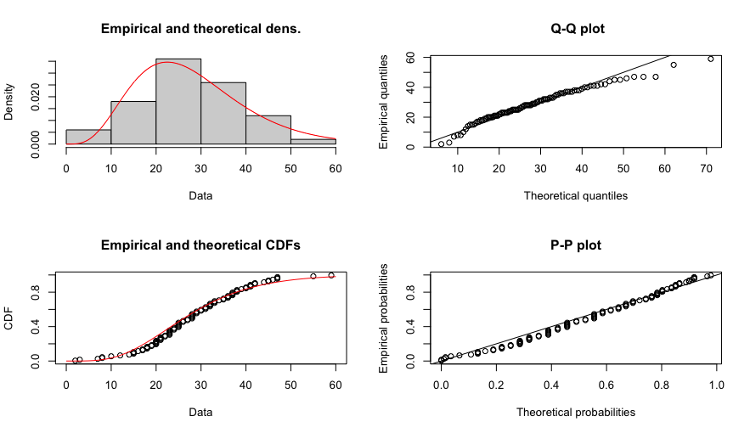
63 | 45
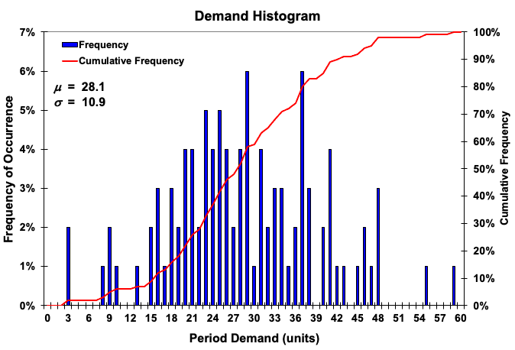
64 | 27
65 | 37
66 | 41
67 | 33
68 | 46
69 | 39
70 | 25
71 | 23
72 | 28
73 | 29
74 | 17
75 | 25
76 | 38
77 | 32
78 | 44
79 | 3
80 | 38
81 | 47
82 | 15
83 | 20
84 | 21
85 | 7
86 | 20
87 | 42
88 | 23
89 | 19
90 | 28
91 | 29
92 | 18
93 | 55
94 | 28
95 | 14
96 | 21
97 | 32
98 | 25
99 | 24
100 | 27

SampleSize
Sample size determination
Run goal seek to find the values of n such that the half-width is less than the specified desired bound.
1) Specify alpha
2) Specify S (standard deviation)
3) Specify bound
4) Specify initial n
5) Run Goal Seek
a) Tools> Goal Seek
b) Set cell $b$9 to Value: 0
by changing cell $b$5
alpha | 0.05
S | 1.87781
bound | 0.1
n | 1348.7994868
alpha/2 | 0.025
t-alpha/2 | 1.9617266928
half-width | 0.10030358438
difference | 0.00030358438289

Z SampleSize
Sample size determination
1) Specify alpha
2) Specify S (standard deviation)
3) Specify deisred half-width bound
alpha | 0.05
S | 40325.925655
Desired bound | 1000
alpha/2 | 0.025
z-alpha/2 | 1.9599639845
Sample Size | 6246.9045804

TINV
This sheet illustrates the Stuent t-distribution functions
Comment:
If you look up the t-value in a statistical table for df=5 and alpha = 0.05 you get 2.015. But Excel says 2.57. So, what is the problem! If you look in the table at 0.025 you will see 2.571. Excel is reporting the t-value for alpha/2, when using TINV(). In other words, Excel automatically calculates the (alpha/2) t-value.
Use the T.INV() function instead
df | 5
alpha | 0.05
TINV | 2.5705818356 | =TINV(B2,B1)
T.INV | 2.0150483733 | =T.INV(1-B2,B1)
T.INV.2T | 2.5705818356 | =T.INV.2T(B2,B1)

